Description
 | All New Titanium Shims (Available for the below pad shapes)

 | SH002 | DP002 | 132x54mm | SH1983 | DP1983 | 190x93mm | SH082 | DP082 | 123x55mm | SH012 | DP012 | 152x80mm | SH1513 | DP1513 | 95x75mm

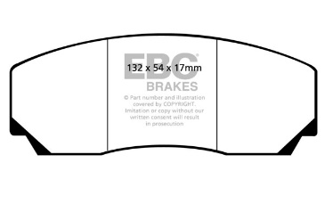
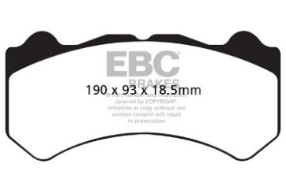

Laser-cut from titanium sheet and perforated to reduce conductive heat transfer, the EBC titanium shims come in sets of four or eight depending on caliper type. Shims are applied to your pad set and can be re-used at pad change unless damaged. EBC Brakes’ titanium shims are designed to reduce heat transfer on all types of pads. Most caliper seals are damaged at temperatures over 130°C/270°F, which means anything to reduce heat getting to them is good news.

 | SH006 | DP006 | 152x80mm | SH2070 | DP2070 | 131.8x77.2mm | SH032 | DP032 | 152x80mm | SH016 | DP016 | 132x62mm


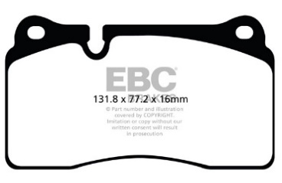
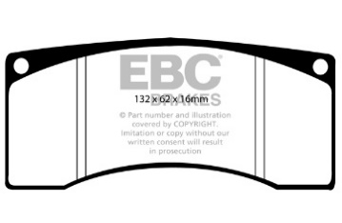

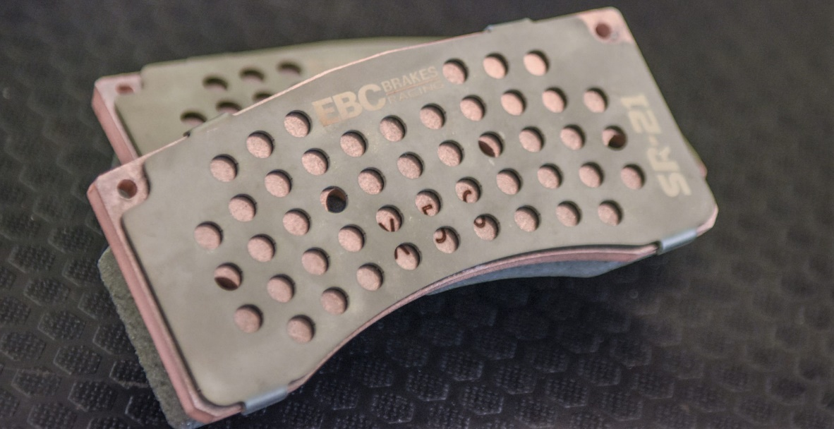

 | SH081 | DP081 | 167x65mm | SH080 | DP080 | 152x51.5mm | SH001 | DP001 | 101x62mm | SH079 | DP079 | 163x66mm

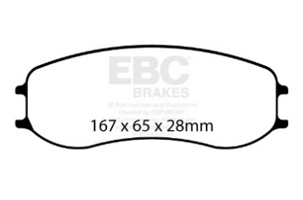
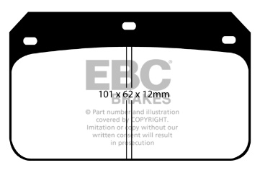
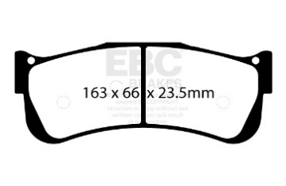

 | SH1110 | DP1110 | 132x67mm | SH042 | DP042 | 149x86mm | SH003 | DP003 | 114x43mm | SH005 | DP005 | 152x80mm


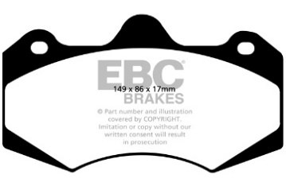
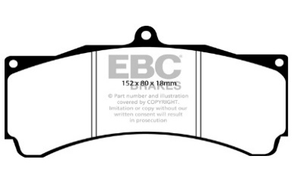

 | SH1210 | DP1210 | 131x75mm | SH036 | DP036 | 128x81mm | SH008 | DP008 | 114x50mm | SH1449 | DP1449 | 155x68mm
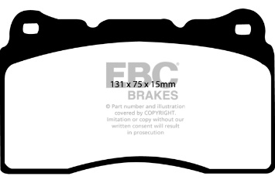
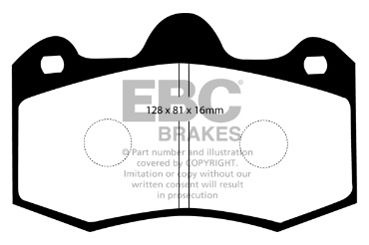
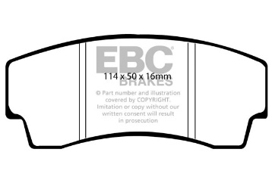
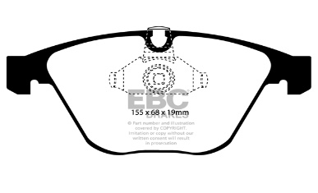
For Applications/Fitments please
Click Here

Notes

